Probability and Statistics
KA

 | Random Variables |  |  | Random Variables are ways to map outcomes of random processes to numbers. |  |  |  |  |  |  |  |  | Random Process
 |  |  |  | Denoted by capital letters |  |  |  |  |  |  |  |  | Outcome -> Numbers

 |  |  |  | X = | 1 if heads |  | Here, flipping a coin is random process. And it's outcome (heads, tails) is mapped to a number, i.e. quantifying outcome of random process.
 |  |  |  |  | 0 if tails

 |  |  |  | Y = Sum of rolls of 7 dices

 |  |  |  | Unlike variables in algebra, random variables cannot be assigned a value or solved for values.
 |  |  |  | Instead, we talk about the probability of random variable equaling a value.

 |  |  |  | E.g. P(Y <30) means probability of Sum of rolls of 7 dice to be less than 30.
 |  |  |  | P(Y even) means probability that Y should be even value.

 |  | Discrete Random Variables |  |  | Takes distinct or separate values. |  |  | Imp: Countable set of values.
 |  |  |  |  | E.g. Coin flip outcome, either 0 or 1. Two distinct values
 |  |  |  |  | E.g. Year that a random student was born. The possible years are distinct values, it cannot take any value between two distinct years.
 |  |  |  |  | Values are countable and discrete, even if they could be infinite values. Possibly would have fixed interval between two numbers.

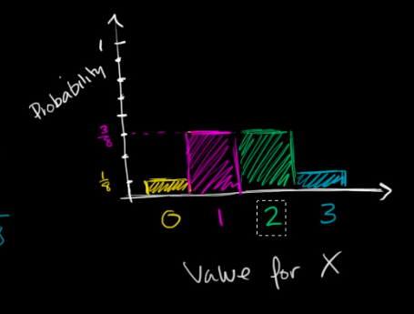
 |  | Probability Distribution of a Discrete Random Variable

 |  |  |  | X = Number of "heads" after 3 flips of a fair coin.

 |  |  |  | Possible outcomes

 |  |  |  | HHH | THH |  | P(X = 0) | 1/8
 |  |  |  | HHT | THT |  | P(X = 1) | 3/8
 |  |  |  | HTH | TTH |  | P(X = 2) | 3/8
 |  |  |  | HTT | TTT |  | P(X = 3) | 1/8

 |  |  |  | Sum of all Probabilities will equal to 1.

 |  |  |  |  |  |  |  |  |  |  | Discrete Probability Distribution for our random variable X

 |  |  | Probability Mass Function (PMF)

 |  |  |  | A probability mass function is a function that gives the probability that a discrete random variable is exactly equal to some value. It is also known as discrete density function.
 |  |  |  | It defines discrete probability distribution, as shown in above figure.
 |  |  |  | The value of the random variable having the largest probability mass is called the mode.
 |  |  |  | All the values of this function must be non-negative and sum up to 1.

 |  | Continuous Random Variables |  |  | Can take any value in the given range/interval. That range could even be infinite.
 |  |  |  |  | E.g. Mass of a randomly picked animal at the zoo. The mass could vary from 1 to 5000 kg, and it could be any value within this interval for randomly picked animal.

 |  | Probability Density Function for Continuous Random Variable

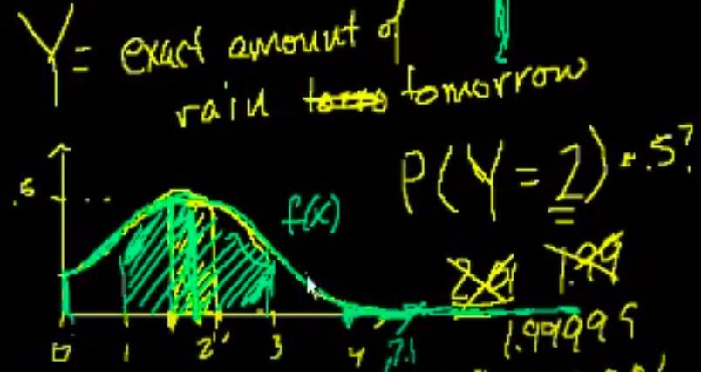

 |  |  |  |  |  |  |  |  |  |  |  |  |  | Integration of f(x)dx over 1.9 to 2.1

 |  |  |  |  |  |  |  |  |  |  |  |  |  | Integration of f(x)dx over 0 to infinity will be 1.
 |  |  |  |  |  |  |  |  |  |  |  |  |  | i.e. Area under the curve will be 1.

 |  |  |  | Area under the curve of Probability Density Function will equal to 1

 |  |  | Sample Space |  | A sample space is the set of possible values taken by the random variable.

 |  |  | A probability density function is a function whose value at any given sample in the sample space can be interpreted as providing a relative likelihood that the value
 |  |  | of the random variable would equal to that sample.

 |  |  | The probability density function is used to specify the probability of the random variable falling within a particular range of values, as opposed to taking on any one values.
 |  |  | This probability is given by the integral of this variable's PDF over the range.

 |  |  | Mathematical Defn: |  |  | P(X) >=0

 |  |  |  |  |  |  |  |  |  | =1

 | Probability vs. Likelihood

 |  | Always change the left side of the equation.

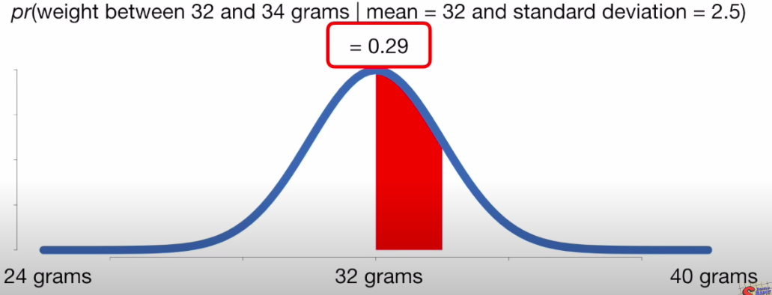
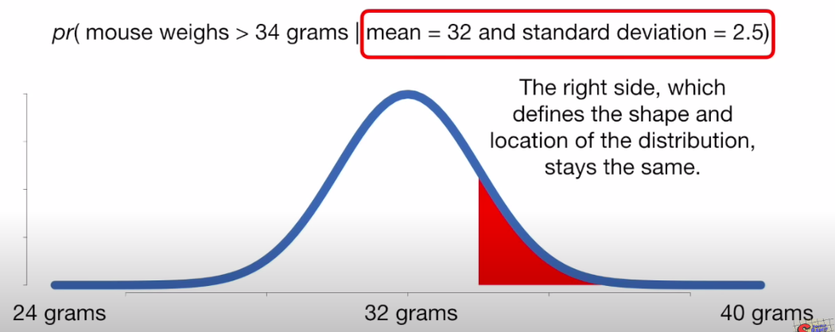
 |  | Porbability |  | Probabilities are the areas under a fixed distribution

 |  |  |  | pr(data | distribution)

 |  |  |  |  |  |  |  |  |  | In above figure, 0.29 or 29% is the area under the curve and it is giving probability |  |  |  |  |  |  | Distribution is described by the right side of the equation.
 |  |  |  |  |  |  |  |  |  | that we will weigh a randomly selected mouse between 32 grams and 34 grams. |  |  |  |  |  |  | Area under the curve is described by the left side of the equation.
 |  |  |  |  |  |  |  |  |  | It is the area under the curve between 32 and 34 grams and it's value is 0.29 |  |  |  |  |  |  | Using the same distribution, we can change the left side to get a new probability.
 |  |  |  |  |  |  |  |  |  | There is 29% chance a randomly selected mouse will weigh between 32 and 34 grams.

 |  |  |  |  |  |  |  |  |  | The probability of weighing a mouse between 32 and 34 grams given the mean of the distribution
 |  |  |  |  |  |  |  |  |  | is 32 and the standard deviation is 2.5 is equal to 0.29.
 |  |  |  |  |  |  |  |  |  | Left part of the equation shown in the figure we change, if we are interested in different mouse weights.
 |  |  |  |  |  |  |  |  |  | We change the left part of equation in 2nd figure.

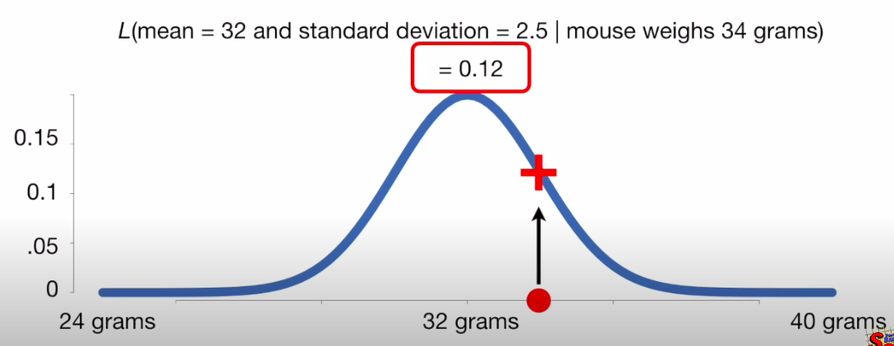
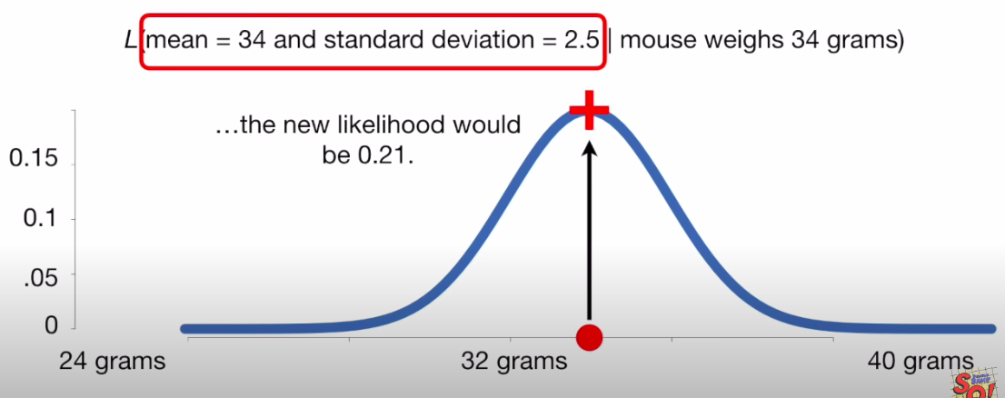
 |  | Likelihood |  | Likelihoods are the y-axis values for fixed data points with
 |  |  |  | distributions that can be moved

 |  |  |  | L(distribution | data)

 |  |  |  | Given a particular outcome, what is the likelihood that the
 |  |  |  | outcome fits a particular data distribution.

 |  |  |  |  |  |  |  |  |  | Assume that you have already weighted the mouse.

 |  |  |  |  |  |  |  |  |  | In above figure, the likelihood of weighing a 34 gram mouse is the + point on the curve which is equal to the value of 0.12.

 |  |  |  |  |  |  |  |  |  | Mathematically, L(mean = 32 and standard deviation = 2.5 | mouse weighs 34 grams)
 |  |  |  |  |  |  |  |  |  | The likelihood of a distribution with mean = 32 and standard deviation = 2.5 given we weighed a 34 grams mouse is equal to 0.12. |  |  |  |  |  |  |  | If we shifted the distribution over so that mean was 34 grams, the new likelihood would be 0.21

 | Marginal Probability Distribution

 |  | Allows you to go from N-Dimensions to N-k Dimensions.

 |  | X = | 1 if person goes to gym |  |  |  |  | Q. What is the probability that a person goes to Gym?
 |  |  | 0 if person does not go to gym
 |  |  |  |  |  |  |  | P(X = 1) = P(X = 1, Y = 0) + P (X = 1, Y = 1)
 |  | Y = | 1 if person has a girl friend |  |  |  |  |  | =0.4+0.2 = 0.6
 |  |  | 0 if person does not have a girl-friend

 |  | Two Way Table |  | Y
 |  |  |  | 0 | 1
 |  | X | 0 | 0.1 | 0.3
 |  |  | 1 | 0.4 | 0.2

 | Conditional Probability Distribution

 |  | Conditional Distribution are a way of updating on knowledge after we observe part of the system. Due to observation, now there is a lower uncertaininity in the system.
 |  | Due to additional observation/knowledge, the dimension of uncertaininty reduces.

 |  | P(X = 1 | Y = 1) = |  | P(X =1, Y =1) |  |  | Joint Probablity |  |  | P(X = 1 | Y = 1) = |  | 0.2
 |  |  |  | P(Y = 1) |  |  | Marginal Probability |  |  |  |  | 0.2 + 0.3
 |  |  |  |  |  |  |  |  |  |  | = | 0.4

 |  | ILO

 |  | Conditional Probability is where there is more than one event, there is a sample space, and the probability of 2nd event depends on the probability of the 1st event having occurred.

 |  | P(A2 | A1) | = The conditional probability of A2 given A1.
 |  |  | = The probability that A2 will occur provided A1 has occurred.

 |  | P(A2 | A1) = |  | P(A2 Ʌ A1) |  | E.g. Tossing a die: |  |  | Sample Space = {1, 2, 3, 4, 5, 6} |  |  |  | P(A2 | A1) = | 2/6 | = | 2
 |  |  |  | P(A1) |  |  |  |  | A1 = {Number is Odd} = {1, 3, 5} |  |  |  |  | 3/6 |  | 3
 |  |  |  |  |  |  |  |  | A2 = {Number < 4} = {1, 2, 3}

 |  | Conditional Probability with Independent Events

 |  |  | Roll a die twice
 |  |  |  |  |  |  |  | P(A1 and A2 ) |  | = P(A1) P(A2 | A1)
 |  |  | S = {1, 2, 3, 4, 5, 6} |  |  |  |  |  |  | = (5/6) * (3/6)
 |  |  | 1st Roll = {Number < 6} = {1, 2, 3, 4, 5, 6} |  |  |  |  |  |  | = 15/36 | = 5/12
 |  |  | 2nd Roll = {Odd Number} = {1, 3, 5}

 |  | Mutually Exclusive Events: Event A and Event B does not have anything in common

 |  |  | A = {2H, 2D, 2S, 2C} |  |  | B = {KH, KD, KS, KC}

 |  |  | P(A or B) | = P(A) + P(B)
 |  |  |  | = 4/52 + 4/52
 |  |  |  | = 8/52 = 2/13

 |  | Mutually Inclusive Events: Event A and Event B have something in common

 |  |  | A = {H} |  | B = {K}

 |  |  | P(A or B) | = P(A) + P(B) - P(A and B)

 |  |  |  | = 13/52 + 4/52 - 1/52
 |  |  |  | = 16/52 = 4/13

 | Bayes Theorem

 |  | Taking example of diagnostic test, Bayes Theorem gives the probability that some hypothesis, say that you actually have the disease, is true given an event;
 |  | that you tested positive for the disease. To calculate this, you need to take the prior probability of the hypothesis was true. And multiply it by the probability of the event
 |  | given the hypothesis is true, i.e. Probabliity you test positive, if you had the disease. And then divide that, by the total probability of event occurring, i.e. testing positive.

 |  | H = Hypothesis = Having Disease |  |  |  | P(H) = Prior Probability of Hypothesis being true = Prior Probability of having the disease
 |  | E = Event = Testing Positive |  |  |  | P(E) = Total probability of event occurring = Probability of Testing Positive
 |  |  |  |  |  | P(E | H) = Probability of the event given the hypothesis is true = Probability of testing positve given that you have the disease
 |  | P(H | E)= | P(H) * P(E | H) |  |  | P(H | E) = Probability of Hypothesis is true given an event = Probability of actually having a disease given that you tested positive.
 |  |  | P(E)
 |  |  |  |  |  | P(E) = P(H) * P(E | H) + P(-H) * P(E | -H)
 |  |  |  |  |  | P(E) = Probability of having a disease and correctly tested positive + Probability of not having a disease and falsely tested positive.

 |  |  |  |  |  | P(H) The prior probability that a hypothesis is true often the hardest part of this equation to figure out.

